Конверсия (ГЕО)
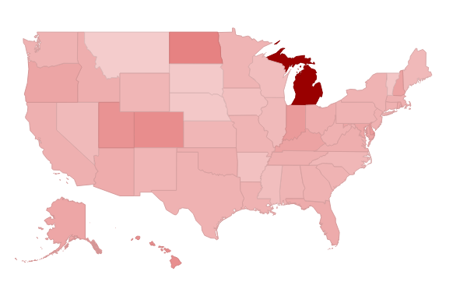
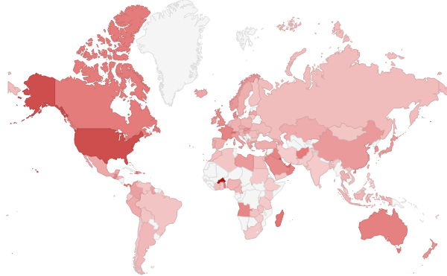
Country | Ecommerce rates % | Country | Ecommerce cr %
St. Kitts & Nevis | 18.61% | Michigan | 51.16%
Burkina Faso | 16.67% | North Dakota | 20.42%
Kuwait | 12.44% | Colorado | 17.74%
United States | 11.62% | Hawaii | 17.40%
Anguilla | 11.45% | Utah | 16.54%
Qatar | 11.03% | Indiana | 14.71%
United Arab Emirates | 9.56% | Delaware | 14.65%
Switzerland | 9.20% | New Hampshire | 12.96%
Bahrain | 8.73% | Kentucky | 12.53%
Madagascar | 8.00% | Oregon | 12.29%
Guam | 7.62% | Maryland | 11.90%
Afghanistan | 7.48% | Alaska | 11.87%
Canada | 7.36% | Rhode Island | 11.19%
Panama | 7.14% | Florida | 10.86%
Haiti | 7.10% | District of Columbia | 10.61%
Guatemala | 7.02% | Arizona | 10.53%
Oman | 6.90% | Ohio | 9.99%
Australia | 6.89% | Idaho | 9.98%
Togo | 6.67% | Virginia | 9.97%
France | 6.60% | Oklahoma | 9.73%
Iraq | 6.59% | Tennessee | 9.70%
Malta | 6.47% | California | 9.64%
Angola | 6.38% | Massachusetts | 9.62%
Saudi Arabia | 6.07% | Connecticut | 9.41%
Denmark | 6.04% | New Jersey | 9.29%
United Kingdom | 5.81% | West Virginia | 9.24%
New Zealand | 5.44% | Louisiana | 9.20%
Jordan | 5.33% | Texas | 9.14%
Macau | 5.22% | Georgia | 9.06%
South Korea | 5.15% | South Carolina | 8.93%
Slovakia | 5.15% | Pennsylvania | 8.91%
Seychelles | 5.00% | New York | 8.88%
U.S. Virgin Islands | 5.00% | Washington | 8.88%
Norway | 4.79% | Alabama | 8.63%
Puerto Rico | 4.78% | Minnesota | 8.56%
Antigua & Barbuda | 4.67% | Missouri | 8.55%
Monaco | 4.65% | New Mexico | 8.35%
Ireland | 4.63% | Kansas | 8.26%
China | 4.55% | Wyoming | 8.05%
Libya | 4.55% | North Carolina | 7.93%
Japan | 4.49% | Maine | 7.47%
Hungary | 4.33% | Illinois | 7.31%
Dominican Republic | 4.27% | Nevada | 7.25%
Italy | 4.24% | Wisconsin | 6.51%
Cayman Islands | 4.17% | Mississippi | 6.23%
Singapore | 4.15% | Iowa | 5.95%
Luxembourg | 4.11% | Arkansas | 5.61%
Colombia | 4.11% | (not set) | 4.44%
Hong Kong | 4.03% | Vermont | 4.35%
Faroe Islands | 4.00% | Nebraska | 3.95%
Azerbaijan | 3.88% | South Dakota | 3.72%
Guyana | 3.77% | Montana | 2.96%
Gambia | 3.70%
Greece | 3.48%
Cyprus | 3.46%
Gibraltar | 3.45%
Latvia | 3.45%
Iceland | 3.37%
Mexico | 3.30%
Maldives | 3.26%
Bosnia & Herzegovina | 3.25%
Czech Republic | 3.21%
Jersey | 3.13%
Lebanon | 3.10%
Israel | 3.06%
Peru | 3.03%
Kazakhstan | 2.98%
Taiwan | 2.90%
Turkey | 2.80%
Grenada | 2.78%
Belgium | 2.74%
Portugal | 2.73%
Spain | 2.69%
Sweden | 2.68%
Germany | 2.54%
Thailand | 2.37%
Georgia | 2.35%
Albania | 2.24%
Cameroon | 2.21%
Nigeria | 2.15%
Poland | 2.09%
Indonesia | 2.09%
Kosovo | 2.08%
Austria | 1.97%
Argentina | 1.82%
El Salvador | 1.82%
Honduras | 1.69%
Ukraine | 1.57%
(not set) | 1.51%
Netherlands | 1.50%
British Virgin Islands | 1.49%
Russia | 1.46%
Egypt | 1.45%
Romania | 1.42%
Morocco | 1.37%
Côte d’Ivoire | 1.32%
Fiji | 1.15%
Croatia | 1.09%
Slovenia | 1.08%
Bulgaria | 1.05%
Vietnam | 1.02%
Macedonia (FYROM) | 0.93%
Zambia | 0.85%
Finland | 0.85%
Bolivia | 0.80%
Brazil | 0.79%
Mauritius | 0.76%
Palestine | 0.74%
Ghana | 0.70%
Venezuela | 0.69%
Algeria | 0.63%
Belize | 0.61%
Mongolia | 0.61%
Bangladesh | 0.59%
Jamaica | 0.54%
Ecuador | 0.49%
Chile | 0.43%
Sudan | 0.42%
Lithuania | 0.42%
Yemen | 0.40%
Malaysia | 0.38%
Moldova | 0.34%
Tanzania | 0.32%
Sri Lanka | 0.30%
South Africa | 0.28%
Bahamas | 0.28%
India | 0.20%
Pakistan | 0.15%
Zimbabwe | 0.12%
Trinidad & Tobago | 0.10%
Kenya | 0.07%
Iran | 0.06%
Philippines | 0.04%
Ethiopia | 0.04%

